Nhóm chứng chỉ
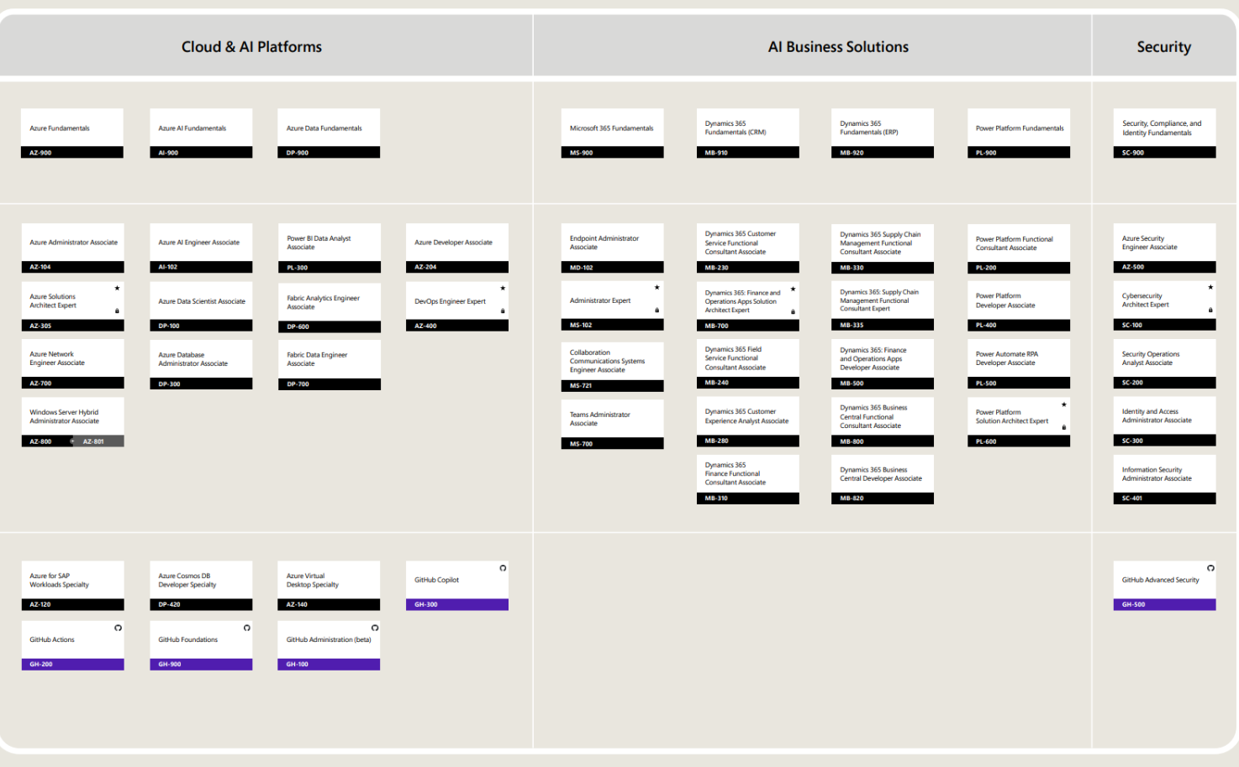
Nhóm nghiệp vụ tương ứng với chứng chỉ nào?
Data/BI (PL-300)
Cloud/Azure (AZ-900, AZ-104)
Microsoft 365 (MS-102)
Security (SC-200, SC-300, SC-500)
DevOps (AZ-400)

